Descript Stat 1 - 1
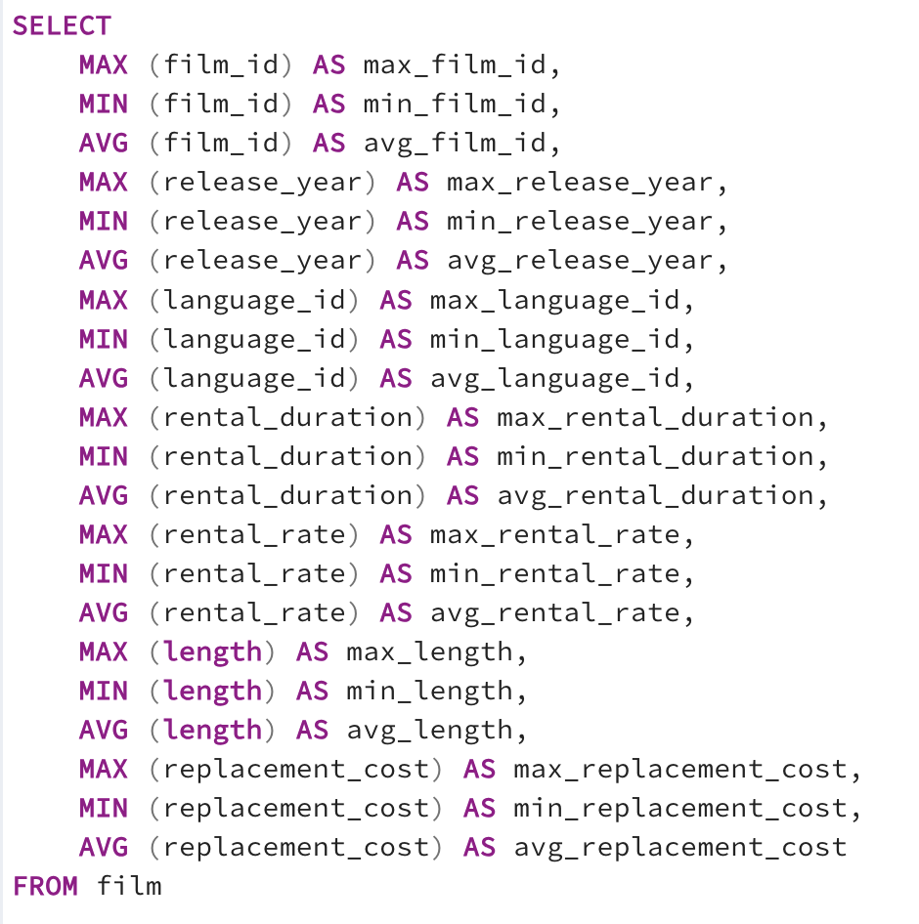
1
max_film_id | min_film_id | avg_film_id | max_release_year | min_release_year | avg_release_year | max_language_id | min_language_id | avg_language_id | max_rental_duration | min_rental_duration | avg_rental_duration | max_rental_rate | min_rental_rate | avg_rental_rate | max_length | min_length | avg_length | max_replacement_cost | min_replacement_cost | avg_replacement_cost
1000 | 1 | 500.5 | 2006 | 2006 | 2006 | 1 | 1 | 1 | 7 | 3 | 4.985 | 4.99 | 0.99 | 2.98 | 185 | 46 | 115.272 | 29.99 | 9.99 | 19.984

Descript Stat 3 - 3
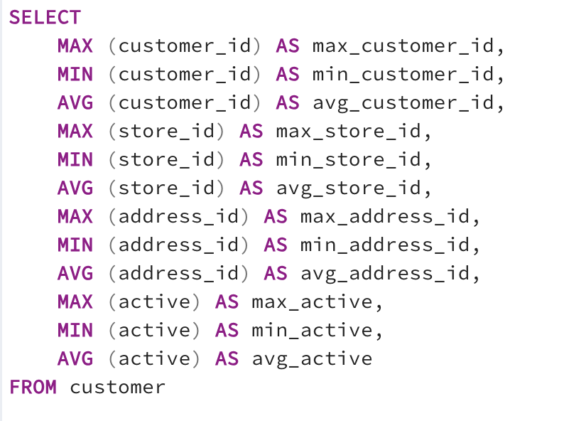
max_customer_id | min_customer_id | avg_customer_id | max_store_id | min_store_id | avg_store_id | max_address_id | min_address_id | avg_address_id | max_active | min_active | avg_active
599 | 1 | 300 | 2 | 1 | 1.4557595993 | 605 | 5 | 304.7245409 | 1 | 0 | 0.97495826377

Top Countries - 5
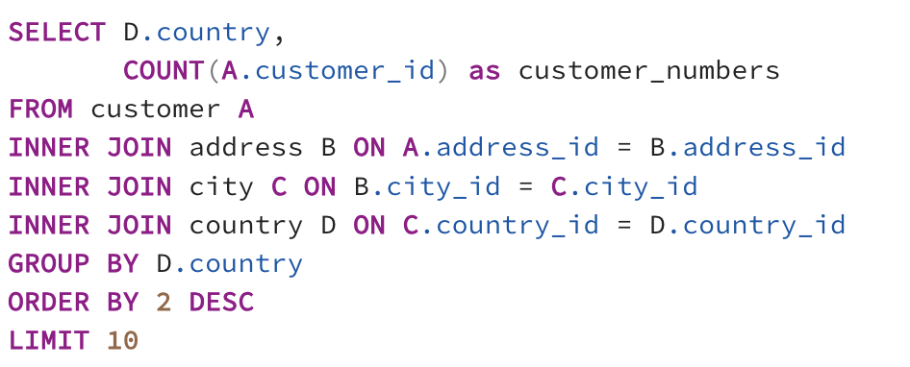
country | customer_numbers
India | 60
China | 53
United States | 36
Japan | 31
Mexico | 30
Brazil | 28
Russian Federation | 28
Philippines | 20
Turkey | 15
Indonesia | 14

